Sheet1
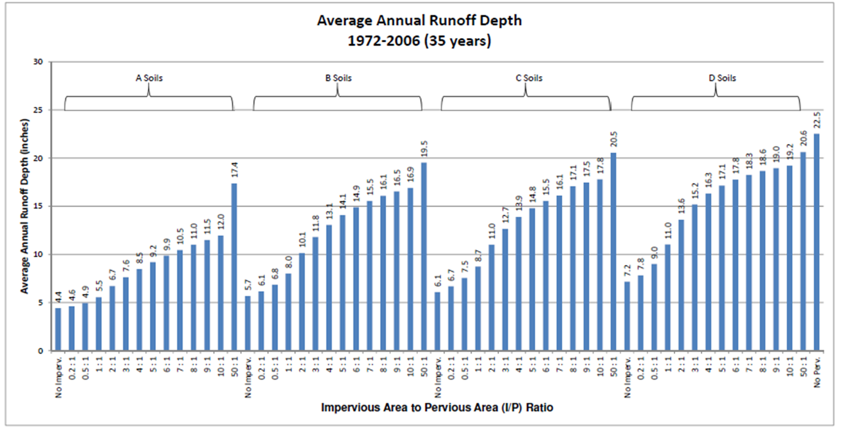
Enter values in blue cells
Soil | A |  | select from dropdown; determine soil on site
I/P ratio | #DIV/0! |  | calculated

Term | Value | Units
Area of effective pervious (Aeffective p) |  | acres | user entered; determine on site
Area of ineffective pervious (Aineffective p) |  | acres | user entered; determine on site
Area of redirected impervious (Aredirected i) |  | acres | user entered; determine on site
Area of non-redirected impervious (Anon-redirected i) |  | acres | user entered; determine on site
Runoff depth from pervious (RDp) |  | inches | default = 4.4 for A soil, 5.7 for B, 6.1 for C, 7.2 for D
Runoff depth redirected (RDredirect) |  | inches | determine from plot called Average annual runoff depth
Runoff depth impervious (RDi) |  | inches | default = 22.5 inches
Performance goal |  | inches | default is MIDS goal of 1.1 inches

SUMMARY
Pre-disconnection
Runoff from non-redirected impervious | 0 | ft3 | calculated
Runoff from redirected impervious | 0 | ft3 | calculated
Runoff from impervious | 0 | ft3 | calculated
Runoff from effective pervious | 0 | ft3 | calculated
Runoff from ineffective impervious | 0 | ft3 | calculated
Runoff from pervious | 0 | ft3 | calculated
Total runoff | 0 | ft3 | calculated
Post-disconnection
Runoff from non-redirected impervious | 0 | ft3 | calculated
Runoff from ineffective pervious | 0 | ft3 | calculated
Runoff from effective pervious and redirected impervious | 0 | ft3 | calculated
Total runoff | 0 | ft3 | calculated
Total runoff reduced | 0 | ft3 | calculated
Runoff from pervious | 0 | ft3 | calculated
Runoff from impervious | 0 | ft3 | calculated
Adjusted impervious | #DIV/0! | acres | calculated

Performance Goal Summary
Performance goal | 0 | ft3 | calculated
BMP volume credit (BMPvolume credit) | #DIV/0! | ft3 | calculated
% of performance goal achieved | #DIV/0! | % | calculated
Remaining volume to be treated | #DIV/0! | ft3 | calculated

