Worksheet
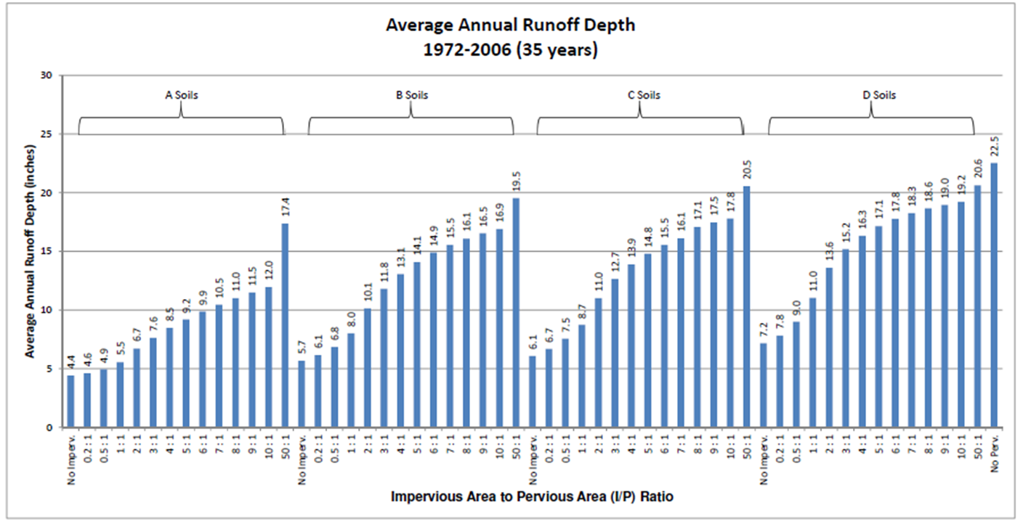
Enter values in blue cells
Soil | A |  | select from dropdown; determine soil on site
I/P ratio | #DIV/0! |  | calculated

Term | Value | Units
Area of effective pervious (Aeffective p) |  | acres | user entered; determine on site
Area of ineffective pervious (Aineffective p) |  | acres | user entered; determine on site
Area of redirected impervious (Aredirected i) |  | acres | user entered; determine on site
Area of non-redirected impervious (Anon-redirected i) |  | acres | user entered; determine on site
Runoff depth from pervious (RDp) |  | inches | default = 4.4 for A soil, 5.7 for B, 6.1 for C, 7.2 for D
Runoff depth redirected (RDredirect) |  | inches | determine from plot called Average annual runoff depth
Runoff depth impervious (RDi) |  | inches | default = 22.5 inches
Performance goal |  | inches | default is MIDS goal of 1.1 inches

SUMMARY
Pre-disconnection
Runoff from non-redirected impervious | 0 | ft3 | calculated
Runoff from redirected impervious | 0 | ft3 | calculated
Runoff from impervious | 0 | ft3 | calculated
Runoff from effective pervious | 0 | ft3 | calculated
Runoff from ineffective impervious | 0 | ft3 | calculated
Runoff from pervious | 0 | ft3 | calculated
Total runoff | 0 | ft3 | calculated
Post-disconnection
Runoff from non-redirected impervious | 0 | ft3 | calculated
Runoff from ineffective pervious | 0 | ft3 | calculated
Runoff from effective pervious and redirected impervious | 0 | ft3 | calculated
Total runoff | 0 | ft3 | calculated
Total runoff reduced | 0 | ft3 | calculated
Runoff from pervious | 0 | ft3 | calculated
Runoff from impervious | 0 | ft3 | calculated
Adjusted impervious | #DIV/0! | acres | calculated

Performance Goal Summary
Performance goal | 0 | ft3 | calculated
BMP volume credit (BMPvolume credit) | #DIV/0! | ft3 | calculated
% of performance goal achieved | #DIV/0! | % | calculated
Remaining volume to be treated | #DIV/0! | ft3 | calculated

Example
Impervious
surface
Pervious
surface
200 feet
100 feet
500 feet
 | NOTE: effective pervious is limited to 100 foot flowpath off of the impervious area

 | Enter values in blue cells
 | Soil | B |  | select from dropdown; determine soil on site
 | I/P ratio | 2.000 |  | calculated

 | Term | Value | Units
Effective pervious = 500 feet X 100 feet = 50,000 square feet = 1.15 acres | Area of effective pervious (Aeffective p) | 1.15 | acres | user entered; determine on site
Ineffective pervious = 500 feet X 100 feet = 50,000 square feet = 1.15 acres | Area of ineffective pervious (Aineffective p) | 1.15 | acres | user entered; determine on site
Redirected impervious = 500 feet X 200 feet = 100,000 square feet = 2.30 acres | Area of redirected impervious (Aredirected i) | 2.30 | acres | user entered; determine on site
Non-redirected impervious = 0 | Area of non-redirected impervious (Anon-redirected i) |  | acres | user entered; determine on site
Assume B soils - Runoff depth = 5.7 inches | Runoff depth from pervious (RDp) | 5.70 | inches | default = 4.4 for A soil, 5.7 for B, 6.1 for C, 7.2 for D
Runoff depth redirected is determined from the plot on the right (see arrow) | Runoff depth redirected (RDredirect) | 10.10 | inches | determine from plot called Average annual runoff depth
Runoff depth impervious = default of 22.5 inches | Runoff depth impervious (RDi) | 22.50 | inches | default = 22.5 inches
Performance goal = 1 inch (this varies and is determined by the user) | Performance goal | 1.00 | inches | default is MIDS goal of 1.1 inches

 | SUMMARY
These cells are locked because they contain the equations for calculating treated volume and volume remaining to be treated. | Pre-disconnection
 | Runoff from non-redirected impervious | 0 | ft3 | calculated
 | Runoff from redirected impervious | 187852 | ft3 | calculated
 | Runoff from impervious | 187852 | ft3 | calculated
 | Runoff from effective pervious | 23795 | ft3 | calculated
 | Runoff from ineffective impervious | 23795 | ft3 | calculated
 | Runoff from pervious | 47589 | ft3 | calculated
 | Total runoff | 235442 | ft3 | calculated
 | Post-disconnection
 | Runoff from non-redirected impervious | 0 | ft3 | calculated
 | Runoff from ineffective pervious | 23795 | ft3 | calculated
 | Runoff from effective pervious and redirected impervious | 126487 | ft3 | calculated
 | Total runoff | 150282 | ft3 | calculated
 | Total runoff reduced | 85160 | ft3 | calculated
 | Runoff from pervious | 47589 | ft3 | calculated
 | Runoff from impervious | 102693 | ft3 | calculated
 | Adjusted impervious | 1.257 | acres | calculated

 | Performance Goal Summary
Performance goal summary. In this example, 50 percent of the performance goal is met. The remaining volume requiring treatment is 4170 cubic feet. | Performance goal | 8349 | ft3 | calculated
 | BMP volume credit (BMPvolume credit) | 4179 | ft3 | calculated
 | % of performance goal achieved | 50.0 | % | calculated
 | Remaining volume to be treated | 4170 | ft3 | calculated

