Calculations
This spreadsheet can be used to calculate input volumes for the Underground infiltration bmp in the MIDS calculator. Two values are needed for the calculator. 1. Engineered media storage volume (VM) is the amount of water stored in engineered media below the infiltration pipes. 2. Pipe/storage device volume (Vp) is the volume of water stored in the pipes and the media adjacent to the pipes. It does not include water stored in engineered media below the pipes. To calculate these volumes, choose the type of device and fill in all green input cells. Cells with formulas are protected. Once inputs have been entered, the two volumes needed for the calculator, shown in salmon color, will be calculated.
Width of basin
Water stored in media adjacent to pipes
Water stored in pipes
Water stored in media adjacent to pipes

User input
Calculated value - not needed in MIDS calculator
Calculated value - needed in MIDS calculator

Overflow depth (D_{o})
Depth of media (D_{M})
Engineered media storage volume below pipes (V_{M})
Pipe/storage device volume (V_{P})
Width of basin
Type of device | Input | Value
Half-circle pipes | Overflow depth (DO) (ft)
 | Depth of engineered media (DM)
 | Width of basin (ft)
 | Length of basin (ft)
 | Total volume (ft3) | 0
 | Pipe radius (ft)
 | Overflow depth + pipe radius (ft) | 0
 | Pipe length (ft)
 | Number of pipes
 | Porosity of engineered media
 | Engineered media surface area (AM)(ft2) | 0
 | Engineered media storage volume below pipes (VM) (ft3) | 0
 | Water stored in pipes (ft3) | #DIV/0!
 | Porosity of media adjacent to pipes (ft3)
 | Water stored in media adjacent to pipes (ft3) | #DIV/0!
 | Pipe/storage device volume (Vp) (ft3) | #DIV/0!

Overflow depth (D_{o})
Depth of media (D_{M})
Engineered media storage volume below pipes (V_{M})
Pipe/storage device volume (V_{P})
Width of basin
Height at first turn (H₁)
Max width of pipe (W1)
Width of pipe at bottom of outlet (W2)
Type of device | Input | Value
Rectangular or Hexagon half pipe (If pipe is rectangular, enter "0" for height of pipe at first turn) | Overflow depth (DO) (ft)
 | Depth of engineered media (DM)
 | Width of basin (ft)
 | Length of basin (ft)
 | Total volume (ft3) | 0
 | Length of pipe (ft)
 | Height of pipe at first turn - H1 (ft)
 | Max width of pipe - W1
 | Width of pipe at bottom of outlet - W2
 | Number of pipes
 | Porosity of engineered media
 | Engineered media surface area (AM)(ft2) | 0
 | Engineered media storage volume below pipes (VM) | 0
 | Water stored in pipes | 0
 | Porosity of media adjacent to pipes (ft3)
 | Water stored in media adjacent to pipes | 0
 | Pipe/storage device volume (Vp) (ft3) | 0

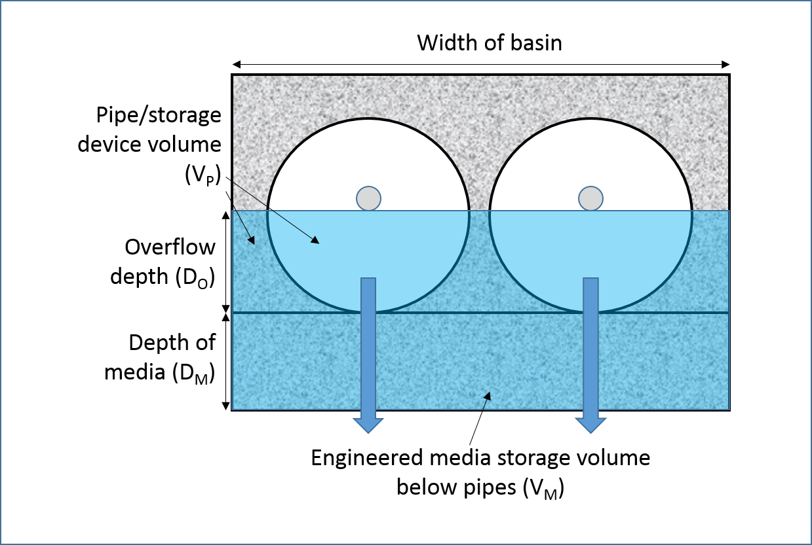
Type of device | Input | Value
Full circular pipes | Overflow depth (DO) (ft)
 | Depth of engineered media (DM)
 | Width of basin (ft)
 | Length of basin (ft)
 | Total volume (ft3) | 0
 | Pipe radius (ft)
 | Pipe length (ft)
 | Number of pipes
 | Porosity of engineered media
 | Engineered media surface area (AM)(ft2) | 0
 | Engineered media storage volume below pipes (VM) (ft3) | 0
 | Water stored in pipes (ft3) | #DIV/0!
 | Porosity of media adjacent to pipes (ft3)
 | Water stored in media adjacent to pipes (ft3) | #DIV/0!
 | Pipe/storage device volume (Vp) (ft3) | #DIV/0!

